Michael Bastian Mens 3 packs
Michael Bastian Underwear
No. | Style # | Description | Picture | Quantity | Packed | Carton Qty
1 | MBC301BLK | Michael Bastian Cotton Underwear (Black) | 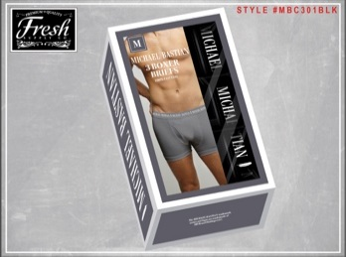 | 708 | 2-4-4-2 S-M-L-XL | 12

2 | MBC301WHT | Michael Bastian Cotton Underwear (White) | 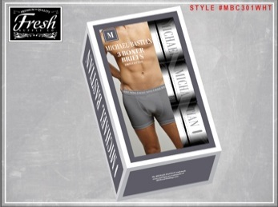 | 1,008 | 2-4-4-2 S-M-L-XL | 12

3 | MBC302 | Michael Bastian Cotton Underwear (Navy, Olive, Burgundy) | 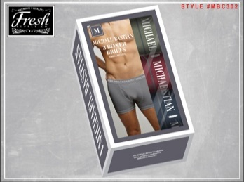 | 1,680 | 2-4-4-2 S-M-L-XL | 12

4 | MBC303 | Michael Bastian Cotton Underwear (Black, Gray, Navy) | 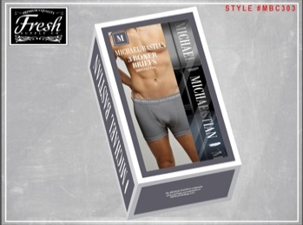 | 888 | 2-4-4-2 S-M-L-XL | 12

5 | MBC304 | Michael Bastian Cotton Underwear (Black, Gray, Burgundy) | 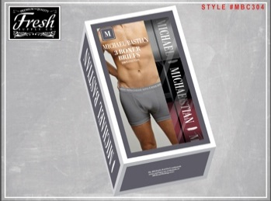 | 1,488 | 2-4-4-2 S-M-L-XL | 12

6 | MBC305 | Michael Bastian Cotton Underwear (Black, Gray, Olive) | 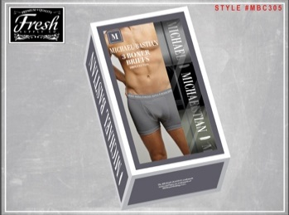 | 1,488 | 2-4-4-2 S-M-L-XL | 12

7 | MBC306 | Michael Bastian Cotton Underwear (Black, Gray, White) | 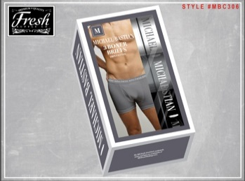 | 1,008 | 2-4-4-2 S-M-L-XL | 12

 |  | Total |  | 8,268

